Screens - TA1 - TC1
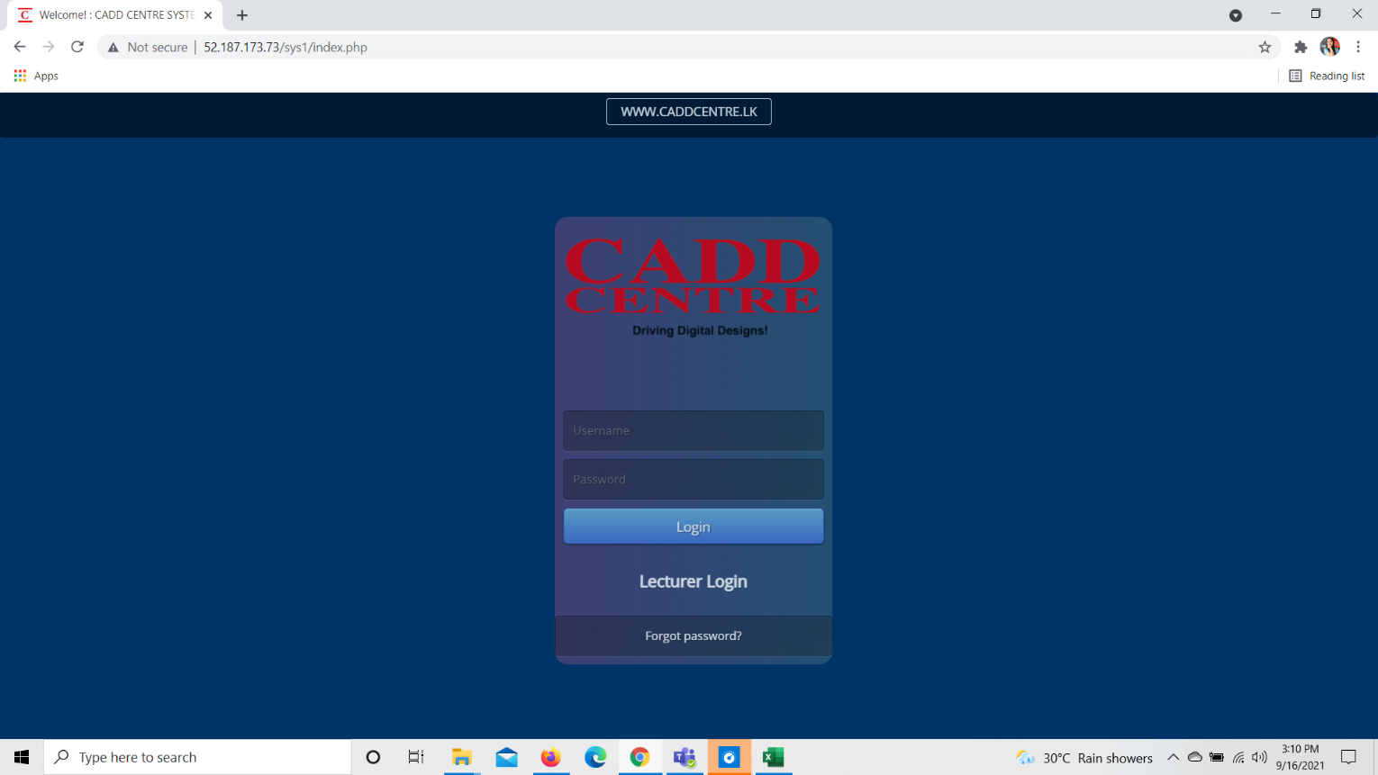
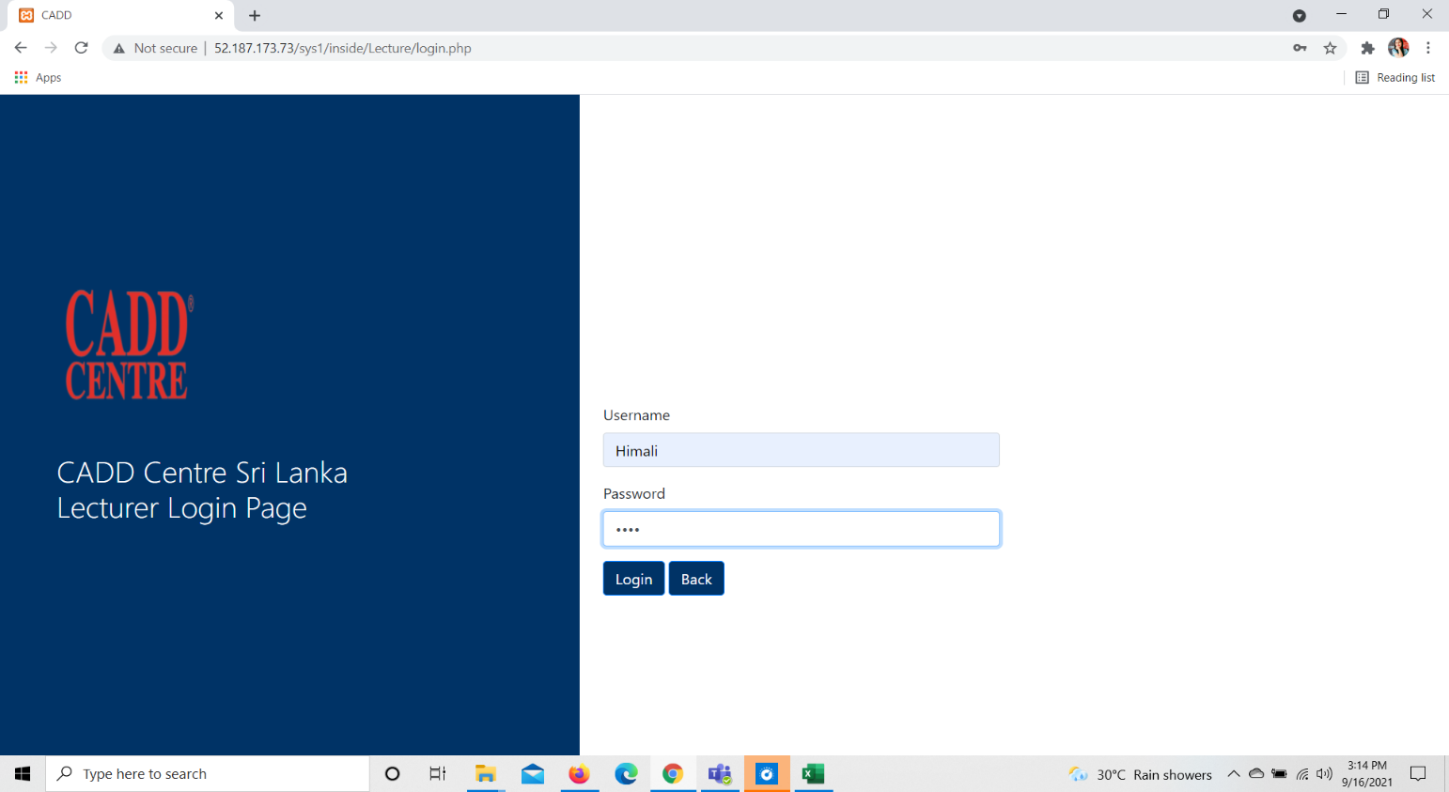
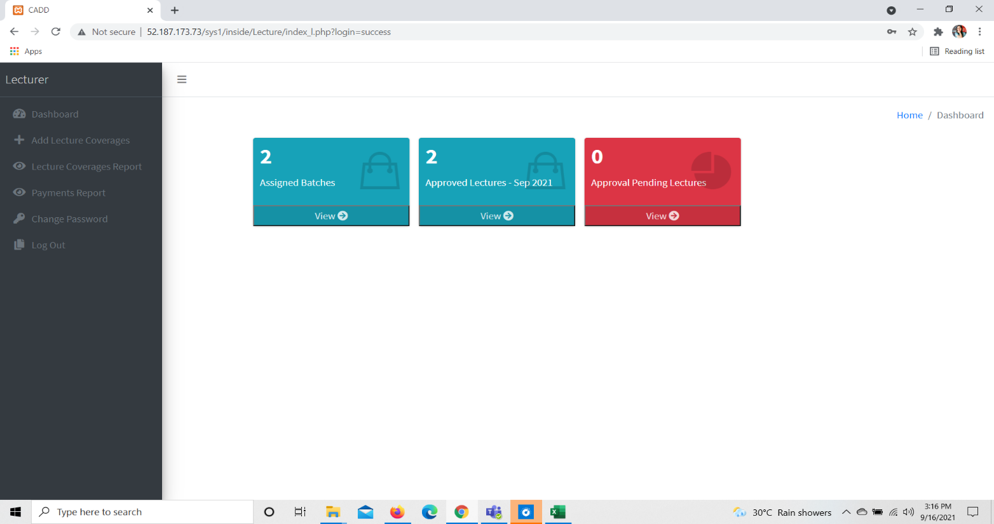
1. Improve lecture coverage history by adding a batch code filtration and sort it

Screens | Test Results
Test case 1

